Sheet1

 |  |  |  |  |  |  |  |  |  | PRIME RESINS
 |  |  |  |  |  |  |  |  |  | 2291 PLUNKETT RD. CONYERS GA 30012
 |  |  |  |  |  |  |  |  |  | PHONE: 800-321-7212 / 770-388-0626 FAX: 770-388-0936
 |  |  |  |  |  |  |  |  |  | PrimeResins.com

Annulus Calculator
Determine the volume of material required for void between two pipes

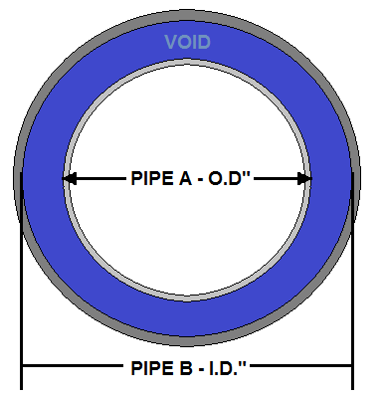
 |  |  |  |  |  | INSTRUCTIONS
 |  |  |  |  |  | 1. Only enter numerical values (decimals ok) in |  |  |  |  | YELLOW
 |  |  |  |  |  | 2. Enter inside pipe (A) OD in inches or millimeters (conversion chart below)
 |  |  |  |  |  | 3. Enter outside pipe (B) ID in inches or millimeters
 |  |  |  |  |  | 4. Enter total length of void in feet or centimeters
 |  |  |  |  |  | 5. Enter expansion rate of material
 |  |  |  |  |  | 6. Results of void fill are displayed below
 |  |  |  |  |  | 7. Metric measurements have imperial conversions to the right.

 |  |  |  |  |  |  |  | IMPERIAL |  |  |  | METRIC

 |  |  |  |  |  | Inside Pipe A - OD |  | 12.00 |  | in+ |  | 304.80 |  | mm = | 12.0 | in

 |  |  |  |  |  | Outside Pipe B - ID |  | 18.00 |  | in+ |  | 457.20 |  | mm = | 18.0 | in

 |  |  |  |  |  | Length of pipe or void |  | 100.00 |  | ft* |  | 3048.00 |  | cm = | 100.00 | ft

 |  |  |  |  |  | Void Volume to Fill |  | 98.18 |  | cubic feet |  | 2780006.4 |  | cubic centimeters

 |  |  |  |  |  |  |  | 734.4 |  | gallons |  | 2780.0 |  | liters

 | +Fraction to Decimal Conversion |  |  |  |  |  |  | *Inches to Feet Conversion
 | 1/16" | = | 0.06 |  | 9/16" | = | 0.56 | 1" | = | 0.08 |  |  | 7" | = | 0.58
 | 1/8" | = | 0.13 |  | 5/8" | = | 0.63 | 2" | = | 0.17 |  |  | 8" | = | 0.67
 | 3/16" | = | 0.19 |  | 11/16" | = | 0.69 | 3" | = | 0.25 |  |  | 9" | = | 0.75
 | 1/4" | = | 0.25 |  | 3/4" | = | 0.75 | 4" | = | 0.33 |  |  | 10" | = | 0.83
 | 5/16" | = | 0.31 |  | 13/16" | = | 0.81 | 5" | = | 0.42 |  |  | 11" | = | 0.92
 | 3/8" | = | 0.38 |  | 7/8" | = | 0.88 | 6" | = | 0.50
 | 7/16" | = | 0.44 |  | 15/16" | = | 0.94
 | 1/2" | = | 0.50

 | Material Needed to Fill the Void
 | To determine the approximate volume of material or resin needed to fill the void, you must know the expansion rate of the material.
 | For example, if the expansion rate is two times the original volume, it would be 2X. If the expansion rate is five times the original volume,
 |  | it would be 5X.
 | This calculation will be an approximation. Variables such as tempreture, humidity, and waste will affect actual material required.

 | Expansion Rate |  | 5 | X

 | Approximate gallons of material needed to fill void as calculated above. |  |  |  |  |  |  | 146.9 |  | gallons |  | 556.0 |  | liters

